SOPs Retensions
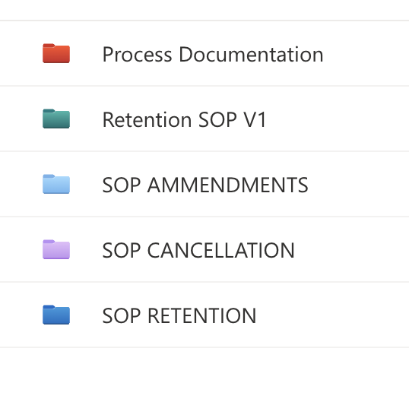
Retention SOPS categories

